How This Works
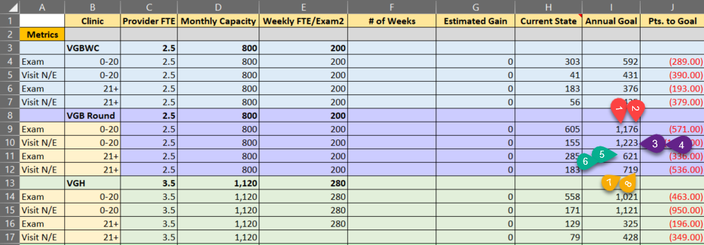
 We used the current COD Metric Performance Dashboard (example pictured below) to populate the goals in the calculator Annual Goal calculated by multiplying the clinic’s denominator (pictured below see Utilization Numbers for the month) by the target (Reference: Targets): • I9=1*2, • I10=3*4, • I11=5*6, • I12=7*8 The Current State was pull directly from the report. • H9 = 0-20 Exam Numerator, • H10 = 0-20 Visit No Exam, • H11 = 21+ Exam Numerator, • H12= 21+ Visit No Exam Monthly Capacity is calculated: • Each provider works 4 10-hour days • Each provider has two schedules (recall and treatment) with 10 slots per schedule • 2 chairs X 10 slots = 20 slots per day, 20 slots per day X 4 days = 80 slots per week • 80 slots per week X 4 weeks per month = 320 the (slots) capacity of one provider for the month • 2.5 provider FTEs X 320 slots = 800 slots of monthly capacity for the Beaverton Wellness Center (column D formula C# * 320) • Each provider has two schedules (recall and treatment) with 10 slots per schedule, 2 chairs X 10 slots = 20 slots per day • 20 slots per day X 4 days = 80 slots per week, 80 slots per week X 4 weeks per month = 320 the (slots) capacity of one provider for the month • 2.5 provider FTEs X 320 slots = 800 slots of monthly capacity for the Beaverton Wellness Center (column D formula C# * 320)

